Sheet1
Parameters
Vin_min | 12 | V
Vin_max | 18 | V
Vout | 48 | V
I_out | 1 | A
P_out | 48 | W
Dmax | 0.5
efficiency | 0.85
Pin | 56.470588235 | W
Np/Ns | 4
Lm | 13 | 0.000001 | 0.000013 | uH
f_sw | 60000 | Hz
I_pri | 8 | A
L_leak | 0.00000039 | H
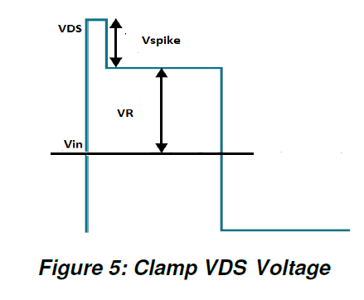
RCD Snubber Design
V_reflected | 12 | V
V_spike | 10 | V
R_clamp | 384.61538462 | Ohm
V_dc,expected | 40 | V

